Sheet1
FIRST NAME | LAST NAME | SRN | MARK
Duc Anh | Lo | 19034566 |  | ONLY put data or write in the yellow cells
 |  |  |  | DO NOT put anything in the light green cells
 |  |  |  | DO NOT tamper with the format of this spreadsheet, don't change the width of the columns

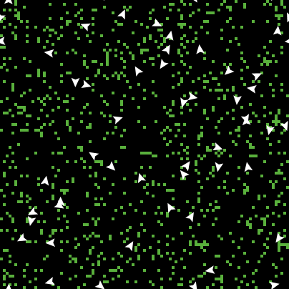
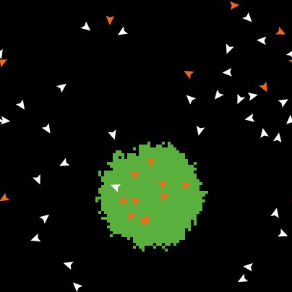
Copy and paste the code of the model in just the yellow column below |  |  |  | PART I | RESULTS: Screen Dumps and Tables |  | NO OBJECT |  |  |  |  |  |  |  |  |  |  |  | MARKING SCHEME
⇩ |  |  |  |  |  | From the NetLogo Interface | canvas screen |  |  |  |  |  | canvas screen
to setup |  |  |  |  |  | On the Netlogo Interface:
clear-all |  |  |  |  |  | *Click with RightHandMouse Button on plot |  |  |  |  |  |  |  |  |  |  |  |  |  | Max. Marks
ask patches |  |  |  |  |  | *Select Copy Image
[ |  |  |  |  |  | * Put mouse in upper left (yellow cell)
if random-float 100 < density |  |  |  |  |  | and click
[ set pcolor green ] |  |  |  |  |  | * Press CTRL-V
if distancexy (xcor-object1 * 50) (ycor-object1 * 50) < Object1Size |  |  |  |  |  | * Adjust size to fit plot in the slot

[ set pcolor violet]
if distancexy (xcor-object2 * 50) (ycor-object2 * 50) < Object2Size
[ set pcolor magenta]

]

create-turtles number
[ set color white
setxy random-xcor random-ycor |  |  |  |  |  |  | Figure 1a Initial setup without object |  |  |  |  |  | Figure 1b Distribution of chips after completion
set size 4] |  |  |  |  |  |  | Max. Marks | 0.5 |  |  |  |  | Max. Marks | 0.5 |  |  |  |  | MARKS Fig. 1 | 1
end

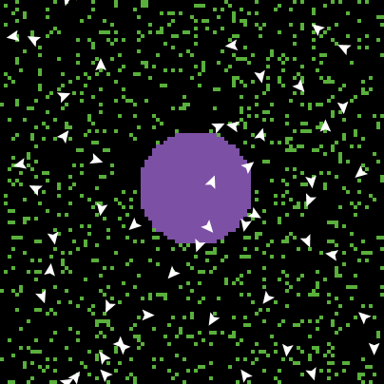
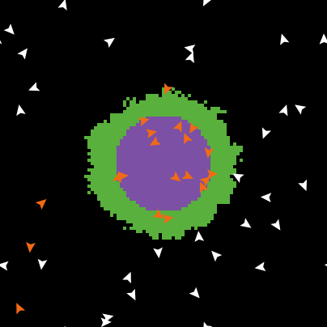
to go |  |  |  |  |  |  | ONE OBJECT (object1 violet, size = 15)
P1 |  |  |  |  |  |  | canvas screen |  |  |  |  |  | canvas screen
P5
P3
end

to P1
ifelse pcolor = green
[
set pcolor black
set color orange
forward 20
]

[P2
P1]
end

to P2
fd 1 |  |  |  |  |  |  | Figure 2a Initial setup with 1 object (size = 15) |  |  |  |  |  | Figure 2b Distribution of chips after completion
right random 50 |  |  |  |  |  |  | Max. Marks | 1 |  |  |  |  | Max. Marks | 1 |  |  |  |  | MARKS Fig. 2 | 4
left random 50
end
 |  |  |  |  |  |  | TABLE 1a | Experiment i |  |  |  |  | TABLE 1b | Experiment ii
to P3 |  |  |  |  |  |  |  |  |  |  |  |  | ObjectSize = 10 |  |  |  | x
ifelse pcolor = black |  |  |  |  |  |  |  | Run 1 | Run 2 | Run 3 | Run 4 | Run 5
[ |  |  |  |  |  |  | Size = 10 |  |  |  |  |  | Object in Upper Right part of the world
set pcolor green |  |  |  |  |  |  | Size = 5 |  |  |  |  |  | Object in Lower Left part of the world
set color white
P4 |  |  |  |  |  |  |  |  | TABLE 1 Write Y in the yellow cells if the object is the centre of clustering, else write N
] |  |  |  |  |  |  | Max. Marks | 1 |  |  |  |  | Max. Marks | 1 |  |  |  |  | MARKS TABLE 1 | 2
[
rt random 360
fd 1 |  |  |  |  |  |  | TWO OBJECTS, same size (both 10)
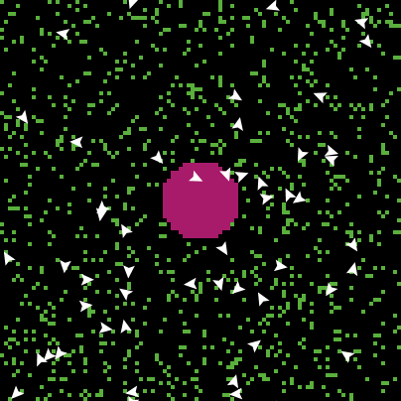
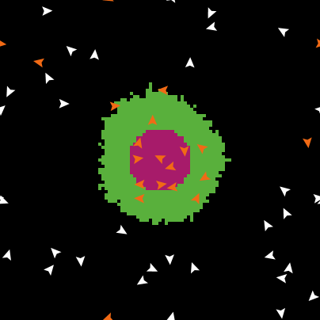
P3 |  |  |  |  |  |  | canvas screen |  |  |  |  |  | canvas screen
]
end

to P4
rt random 360
fd 20
if pcolor != black
[ P4 ]
end

to P5
if pcolor != green
[P2 P5]
end

 |  |  |  |  |  |  | Figure 3a Initial setup with 2 objects, both of size 10 |  |  |  |  |  | Figure 3b Distribution of chips after completion
 |  |  |  |  |  |  | Max. Marks | 2 |  |  |  |  | Max. Marks | 2 |  |  |  |  | MARKS Fig. 3 | 4

 |  |  |  |  |  |  | TABLE 2a | Experiment iii |  |  |  |  | TABLE 2b | Experiment iii
 |  |  |  |  |  |  | object1 (violet) is in the Upper Right Part, |  |  |  |  |  | object1 (violet) is in the Lower Left Part,
 |  |  |  |  |  |  | object2 (magenta) is in the Lower Left Part of the world |  |  |  |  |  | object2 (magenta) is in the Upper Right Part of the world

 |  |  |  |  |  |  |  | Run 1 | Run 2 | Run 3 | Run 4 | Run 5 |  | Run 1 | Run 2 | Run 3 | Run 4 | Run 5
 |  |  |  |  |  |  | object1 |  |  |  |  |  | object2
 |  |  |  |  |  |  | object2 |  |  |  |  |  | object1
 |  |  |  |  |  |  |  |  | TABLE 2 Put X in the yellow cells if the object is a centre of clustering
 |  |  |  |  |  |  | Max. Marks | 1 |  |  |  |  | Max. Marks | 1 |  |  |  |  | MARKS TABLE 2 | 2

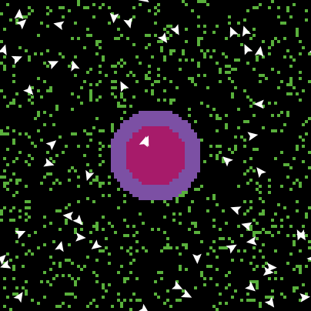

 |  |  |  |  |  |  | TWO OBJECTS, different size (object1 = 15, object2 = 10)
 |  |  |  |  |  |  | canvas screen |  |  |  |  |  | canvas screen

 |  |  |  |  |  |  | Figure 4a Initial setup with 2 objects, of size 10, 15 |  |  |  |  |  | Figure 4b Distribution of chips after completion
 |  |  |  |  |  |  | Max. Marks | 2 |  |  |  |  | Max. Marks | 2 |  |  |  |  | MARKS Fig. 4 | 4

 |  |  |  |  |  |  | TABLE 3a | Experiment iv |  |  |  |  | TABLE 3b | Experiment iv
 |  |  |  |  |  |  | object1 (violet) is in the Upper Right Part and of size 15 |  |  |  |  |  | object1 (violet) is in the Upper Right Part and of size 10
 |  |  |  |  |  |  | object2 (magenta) is in the Lower Left Part of the world and of size 10 |  |  |  |  |  | object2 (magenta) is in the Lower Left Part of the world and of size 15

 |  |  |  |  |  |  |  | Run 1 | Run 2 | Run 3 | Run 4 | Run 5 |  | Run 1 | Run 2 | Run 3 | Run 4 | Run 5
 |  |  |  |  |  |  | object1 |  |  |  |  |  | object2
 |  |  |  |  |  |  | object2 |  |  |  |  |  | object1
 |  |  |  |  |  |  |  |  | TABLE 3 Put X in the yellow cells if the object is a centre of clustering
 |  |  |  |  |  |  | Max. Marks | 1 |  |  |  |  | Max. Marks | 1 |  |  |  |  | MARKS TABLE 2 | 2

 |  |  |  |  |  |  |  |  |  |  |  |  |  |  |  |  |  |  | MARKS PART I | 19

 |  |  |  | PART II | CONCLUSIONS
 |  |  |  |  |  |  |  |  |  |  |  |  |  |  |  |  |  |  |  | Max. Marks
 |  |  |  | ANSWER THE QUESTIONS BELOW BY WRITING THE CHOSEN OPTIONS (BOLD CAPITAL IN RED) IN THE YELLOW BOXES

 |  |  |  | 1. Clustering is affected by the object's:
 |  |  |  | • Location | (Yes / No) |  |  |  |  |  |  |  |  |  |  |  |  |  |  | 0.5
 |  |  |  | • Colour | (Yes / No) |  |  |  |  |  |  |  |  |  |  |  |  |  |  | 0.5
 |  |  |  | • Size | (Yes / No) |  |  |  |  |  |  |  |  |  |  |  |  |  |  | 0.5
 |  |  |  | • There is a limit below which size no longer has an effect | (Yes / No) |  |  |  |  |  |  |  |  |  |  |  |  |  |  | 0.5

 |  |  |  | 2. When arriving on a patch that is green (i.e., contains a chip), a turtle picks it up, moves forward and then:
 |  |  |  | • Drops the chip next to a patch that is: | (Green / Black) |  |  |  |  |  |  |  |  |  |  |  |  |  |  | 2

 |  |  |  | 3. … after which
 |  |  |  | • It keeps on moving away from that patch until it arrives at a patch that is: | (Green / Black) |  |  |  |  |  |  |  |  |  |  |  |  |  |  | 2

 |  |  |  | 4. As a result, a turtle drops a chip on a patch that is:
 |  |  |  | · Completely surrounded by green patches | (True / False) |  |  |  |  |  |  |  |  |  |  |  |  |  |  | 2

 |  |  |  | 5. ...and remove chips and add chips:
 |  |  |  | · From Any part (A) of a cluster of patches / only along the Rim (R) of such a cluster. | (Any / Rim) |  |  |  |  |  |  |  |  |  |  |  |  |  |  | 2

 |  |  |  | 6. The account given above in 5
 |  |  |  | · Only holds for objects that are (clusters) of chips | (True / False) | Unclear question |  |  |  |  |  |  |  |  |  |  |  |  |  | 2

 |  |  |  | 7. Any particular cluster has a larger probability to be visited by a turtle
 |  |  |  | • when it is: | (Big / Small) |  |  |  |  |  |  |  |  |  |  |  |  |  |  | 1
 |  |  |  | • and the number of clusters is: | (Large / Small) |  |  |  |  |  |  |  |  |  |  |  |  |  |  | 1

 |  |  |  | 8. …therefore clusters that are | (Smaller / Larger) | than others |  |  |  |  |  |  |  |  |  |  |  |  |  | 1
 |  |  |  | • grow at the expense of those that are | (Larger / Smaller) |  |  |  |  |  |  |  |  |  |  |  |  |  |  | 1

 |  |  |  | 9. The behaviour of the turtles leads to pattern formation by:
 |  |  |  |  | (Amplifying / Reducing) | irregularities in the distribution of chips |  |  |  |  |  |  |  |  |  |  |  |  |  | 1

 |  |  |  | 10. Collecting the chips by the turtles is a result of:
 |  |  |  | • Cooperation | (True / False) |  |  |  |  |  |  |  |  |  |  |  |  |  |  | 0.67
 |  |  |  | • Planning | (True / False) |  |  |  |  |  |  |  |  |  |  |  |  |  |  | 0.67
 |  |  |  | • Coordination of movement | (True / False) |  |  |  |  |  |  |  |  |  |  |  |  |  |  | 0.67

 |  |  |  |  |  |  |  |  |  |  |  |  |  |  |  |  |  |  | MARKS PART II | 19

 |  |  |  |  |  |  |  |  |  |  |  |  |  |  |  |  |  |  | Implementation
 |  |  |  |  |  |  |  |  |  |  |  |  |  |  |  |  |  |  |  | Max. Marks
 |  |  |  |  |  |  |  |  |  |  |  |  |  |  |  |  |  |  | setup | 0.05
 |  |  |  |  |  |  |  |  |  |  |  |  |  |  |  |  |  |  | go | 0.05
 |  |  |  |  |  |  |  |  |  |  |  |  |  |  |  |  |  |  | Density 10% | 0.1
 |  |  |  |  |  |  |  |  |  |  |  |  |  |  |  |  |  |  | Number 50 | 0.1
 |  |  |  |  |  |  |  |  |  |  |  |  |  |  |  |  |  |  | pen-down | 0.1
 |  |  |  |  |  |  |  |  |  |  |  |  |  |  |  |  |  |  | pen-up | 0.1
 |  |  |  |  |  |  |  |  |  |  |  |  |  |  |  |  |  |  | clear-drawing | 0.1

 |  |  |  |  |  |  |  |  |  |  |  |  |  |  |  |  |  |  | xcor-object1 | 0.15
 |  |  |  |  |  |  |  |  |  |  |  |  |  |  |  |  |  |  | ycor-object1 | 0.15
 |  |  |  |  |  |  |  |  |  |  |  |  |  |  |  |  |  |  | Object1Size | 0.15

 |  |  |  |  |  |  |  |  |  |  |  |  |  |  |  |  |  |  | xcor-object2 | 0.15
 |  |  |  |  |  |  |  |  |  |  |  |  |  |  |  |  |  |  | ycor-object2 | 0.15
 |  |  |  |  |  |  |  |  |  |  |  |  |  |  |  |  |  |  | Object2Size | 0.15
 |  |  |  |  |  |  |  |  |  |  |  |  |  |  |  |  |  |  | Mark for copy of code | 0.5

 |  |  |  |  |  |  |  |  |  |  |  |  |  |  |  |  |  |  | MARKS IMPLEMENTATION | 2

 |  |  |  |  |  |  |  |  |  |  |  |  |  |  |  |  |  |  | TOTAL FOR CW | 40

